Q-1
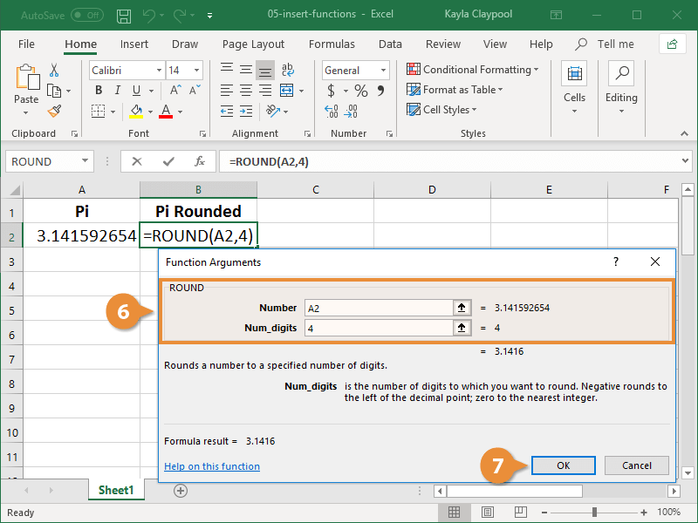
Q-1 Using Insert Function, give examples of any function available in the different dropdowns present in the function library. For example AutoSum, Recently Used, Text, Date & Time, etc.
1- Click the cell where you want to add a formula.

2- Click the Insert Function button.

3- Search for a function using one of these methods:
Type a few keywords that describe the function you want and click Go.
Select a category from the list arrow menu.

4- Select the desired function.

5- Click OK.

If you're ever confused about what an argument is, just check the description down here.

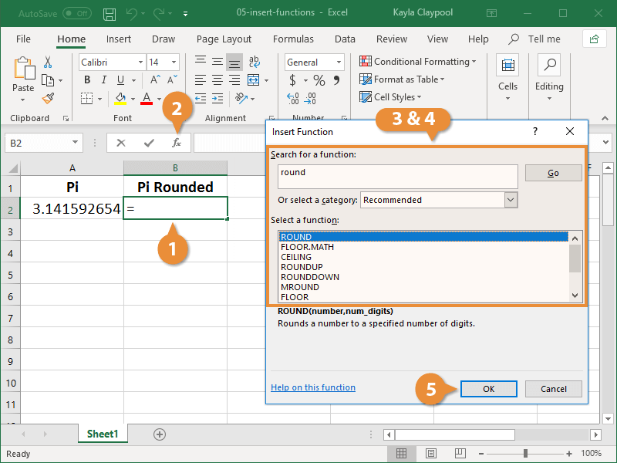
6- Enter the formula arguments.

7- Click OK.

Q-3
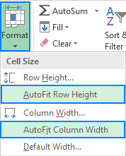
Q-3 What is AutoFit and why do we use it?
◊ AutoFit columns and rows with a double-click :
The easiest way to auto fit in Excel is by double-clicking the column or row border:
▪To autofit one column, position the mouse pointer over the right border of the column heading until the double-headed arrow appears, and then double click the border.
▪To autofit one row, hover the mouse pointer over the lower boundary of the row heading, and double click the border.
▪To autofit multiple columns / multiple rows, select them, and double click a boundary between any two column / row headings in the selection.
▪To autofit the whole sheet, press Ctrl + A or click the Select All button The Select All button and then, depending on your needs, double click a border of any column or row heading, or both.

◊ AutoFit columns and rows by using the ribbon :
Another way to make Excel cells expand to fit text automatically is by using the following options on the ribbon:
▪To AutoFit column width, select one, several or all columns on the sheet, go to the Home tab > Cells group, and click Format > AutoFit Column Width.
▪To AutoFit row height, select the row(s) of interest, go to the Home tab > Cells group, and click Format > AutoFit Row Height.

Q-4

Q-4 How can you insert new rows and columns into the existing table?
You can add a row above or below the cursor position.
▪Click where you want in your table to add a row or column and then click the Layout tab (this is the tab next to the Table Design tab on the ribbon).
▪To add rows, click Insert Above or Insert Below and to add columns, click Insert Left or Insert Right.

Q_5
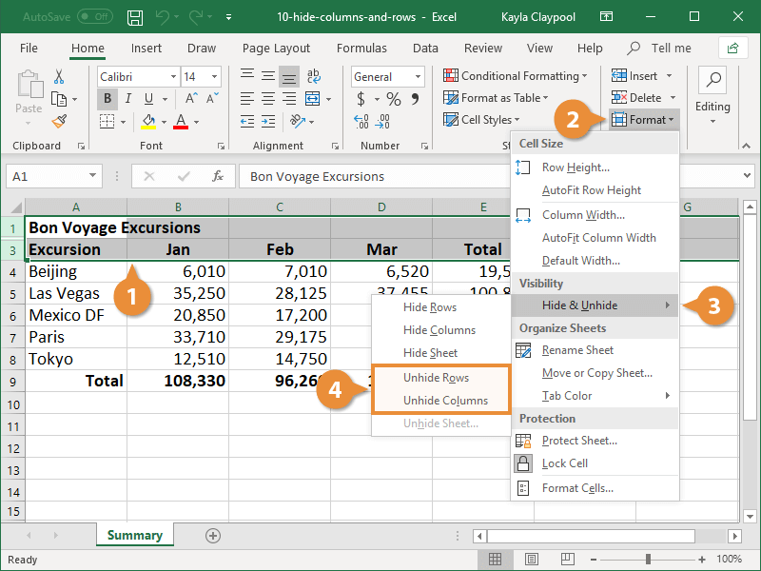
Q-5 How do you hide and unhide columns in excel?
◊ Hide Rows or Columns :
You can easily hide whole rows or columns from view.
1- Select the row(s) or column(s) you want to hide.
2- Click the Format button under the Home tab.
3- Select Hide & Unhide.
4- Select Hide Rows or Hide Columns.
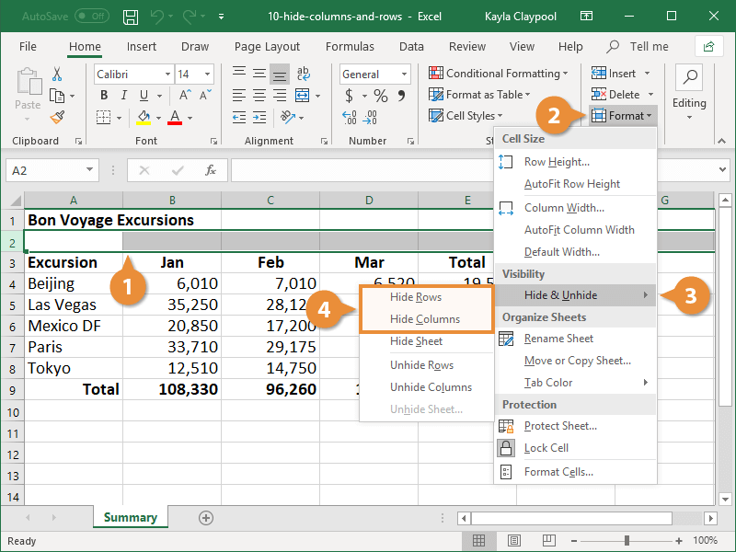

◊ Unhide Rows or Columns :
1- Select the rows or columns that surround the hidden row(s) or column(s).
2- Click the Format button under the Home tab.
3- Select Hide & Unhide.
4- Select Unhide Rows or Unhide Columns.

Q-6
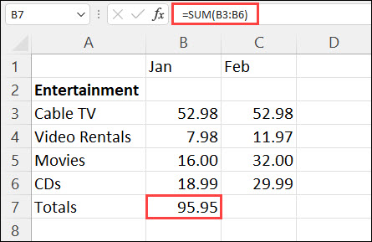
Q-6 Create an appropriate table within the worksheet and use different functions available in the AutoSum command.
◊ If you need to sum a column or row of numbers, let Excel do the math for you. Select a cell next to the numbers you want to sum, click AutoSum on the Home tab, press Enter, and you’re done.
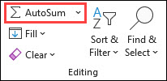

When you click AutoSum, Excel automatically enters a formula (that uses the SUM function) to sum the numbers.

Here’s an example. To add the January numbers in this Entertainment budget, select cell B7, the cell immediately below the column of numbers.
Then click AutoSum. A formula appears in cell B7, and Excel highlights the cells you’re totaling.

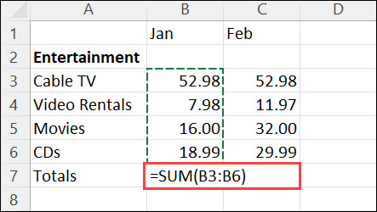

Press Enter to display the result (95.94) in cell B7. You can also see the formula in the formula bar at the top of the Excel window.

